632019
 | *Copy and Paste this area |  | In Reactor (mg/L)
Standard (mg/L) | -log(concentrations) | Voltage | PACL Concentration | 5
5 | -0.69897000434 | 0.1692 | Clay Concentration | N/A
10 | -1 | 0.1688 | . | 11.3
20 | -1.3010299957 | 0.1655
100 | -2 | 0.1708 |  |  |  | 3 | -0.47712125472 | 0.1222

R2 | 0.08930213
Slope | 0.0061455669755
Y-intercept | 0.17397890031
What Testing & Time | Voltage Recorded | -log(concentration) | Concentration F (mg/L) | Output Turbidity | What Column looks like
Stock Fluoride | 0.0412 | -21.605638802 | 4.0330982532E+21

E1 | E2 | Slope
0.06657 | 0.009 | -0.05757

 | -LOG(concentration) = s*voltage +x
 | 0.66955702056

 |  |  |  | Voltage | 0.1057
 |  |  |  | Concentration | 1.2890467944E+11

632019 (2)
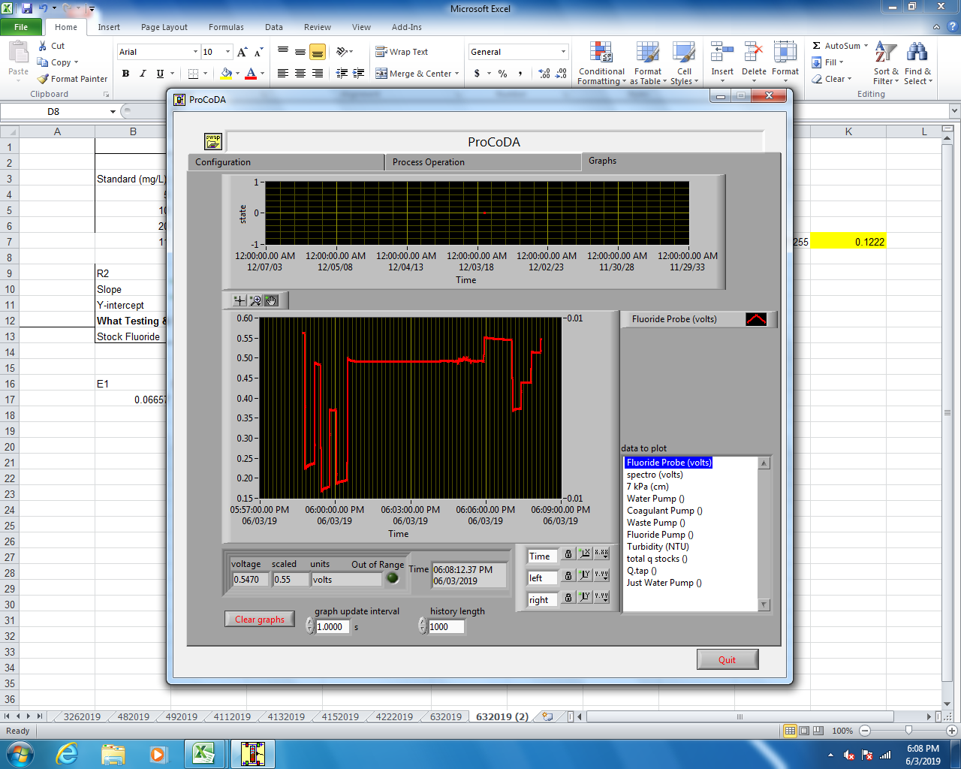
 | *Copy and Paste this area |  | In Reactor (mg/L)
Standard (mg/L) | -log(concentrations) | Voltage | PACL Concentration | 5
5 | -0.69897000434 | 0.1692 | Clay Concentration | N/A
10 | -1 | 0.1688 | . | 11.3
20 | -1.3010299957 | 0.1655
11 | -1.0413926852 | 0.1949 |  |  |  | 3 | -0.47712125472 | 0.1222

R2 | 0.00073506
Slope | 0.0014986564809
Y-intercept | 0.17611416483
What Testing & Time | Voltage Recorded | -log(concentration) | Concentration F (mg/L) | Output Turbidity | What Column looks like
Stock Fluoride | 0.0412 | -90.023408667 | 1.0553795304E+90

E1 | E2 | Slope
0.06657 | 0.009 | -0.05757

 | -LOG(concentration) = s*voltage +x
 | 0.6665440964

 |  |  |  | Voltage | 0.1057
 |  |  |  | Concentration | 9.6573934738E+46

642019
 | *Copy and Paste this area |  | In Reactor (mg/L)
Standard (mg/L) | -log(concentrations) | Voltage | PACL Concentration | 5
5 | -0.69897000434 | 0.1692 | Clay Concentration | N/A
10 | -1 | 0.1688 | . | 11.3
20 | -1.3010299957 | 0.5763
100 | -2 | 0.1949 |  |  |  | 3 | -0.47712125472 | 0.1222

R2 | 0.01446731
Slope | -0.043113904511
Y-intercept | 0.22340761936
What Testing & Time | Voltage Recorded | -log(concentration) | Concentration F (mg/L) | Output Turbidity | What Column looks like
Stock Fluoride | 0.0412 | 4.22619156 | 5.9403008412E-05

E1 | E2 | Slope
0.06657 | 0.009 | -0.05757

 | -LOG(concentration) = s*voltage +x
 | 0.60010978619

 |  |  |  | Voltage | 0.1057
 |  |  |  | Concentration | 0.0018614249225

652019
 | *Copy and Paste this area |  | In Reactor (mg/L)
Standard (mg/L) | -log(concentrations) | Voltage | PACL Concentration | 5
5 | -0.69897000434 | 0.1692 | Clay Concentration | N/A
10 | -1 | 0.1688 | . | 11.3
20 | -1.3010299957 | 0.5966
100 | -2 | 0.5922 |  |  |  | 3 | -0.47712125472 | 0.1222

R2 | 0.68254404
Slope | -0.36420354162
Y-intercept | -0.073554427021
What Testing & Time | Voltage Recorded | -log(concentration) | Concentration F (mg/L) | Output Turbidity | What Column looks like
Stock Fluoride | 0.0412 | -0.31508322657 | 2.0657759955

E1 | E2 | Slope
0.06657 | 0.009 | -0.05757

 | -LOG(concentration) = s*voltage +x
 | 1.2229090575

 |  |  |  | Voltage | 0.1057
 |  |  |  | Concentration | 3.1058608803

6122019
 | *Copy and Paste this area |  | In Reactor (mg/L)
Standard (mg/L) | -log(concentrations) | Voltage | PACL Concentration | 5
5 | -0.69897000434 | 0.0743 | Clay Concentration | N/A
10 | -1 | 0.0555 | . | 11.3
20 | -1.3010299957 | 0.0382
1 | 0 | 0.1246
100 | -2 | 0.0077
R2 | 0.98365213
Slope | 0.058575531884
Y-intercept | 0.11863553188
What Testing & Time | Voltage Recorded | -log(concentration) | Concentration F (mg/L) | Output Turbidity | What Column looks like
Stock Fluoride | 0.0412 | -1.3219774434 | 20.988308705

E1 | E2 | Slope
0.06657 | 0.009 | -0.05757

 | -LOG(concentration) = s*voltage +x
 | 0.75707446427

 |  |  |  | Voltage | 0.0876
 |  |  |  | Concentration | 3.3871764096

6132019
 | *Copy and Paste this area |  | In Reactor (mg/L)
Standard (mg/L) | -log(concentrations) | Voltage | PACL Concentration | 5
5 | -0.69897000434 | 0.0758 | Clay Concentration | N/A
10 | -1 | 0.0605 | . | 11.3
20 | -1.3010299957 | 0.0396
1 | 0 | 0.122
100 | -2 | 0.0081
R2 | 0.99217501
Slope | 0.057213967102
Y-intercept | 0.1184139671
What Testing & Time | Voltage Recorded | -log(concentration) | Concentration F (mg/L) | Output Turbidity | What Column looks like
Stock Fluoride | 0.0412 | -1.3495649928 | 22.364798663

E1 | E2 | Slope
0.06657 | 0.009 | -0.05757

 | -LOG(concentration) = s*voltage +x
 | 0.75755104593

 | 4.1421548724 | influent
 | 3.0629468485 | effluent
 | 3.3196779961 | floc weir

 |  |  |  | Voltage | 0.0886
 |  |  |  | Concentration | 3.3196779961

6172019
 | *Copy and Paste this area |  | In Reactor (mg/L)
Standard (mg/L) | -log(concentrations) | Voltage | PACL Concentration | 5
5 | -0.69897000434 | 0.0811 | Clay Concentration | N/A
10 | -1 | 0.0651 | . | 11.3
20 | -1.3010299957 | 0.043
1 | 0 | 0.1238
100 | -2 | 0.0125
R2 | 0.99325970
Slope | 0.056284200199 |  |  |  |  | Image of a good calibration curve (if we want to put it in the report):
Y-intercept | 0.1213842002
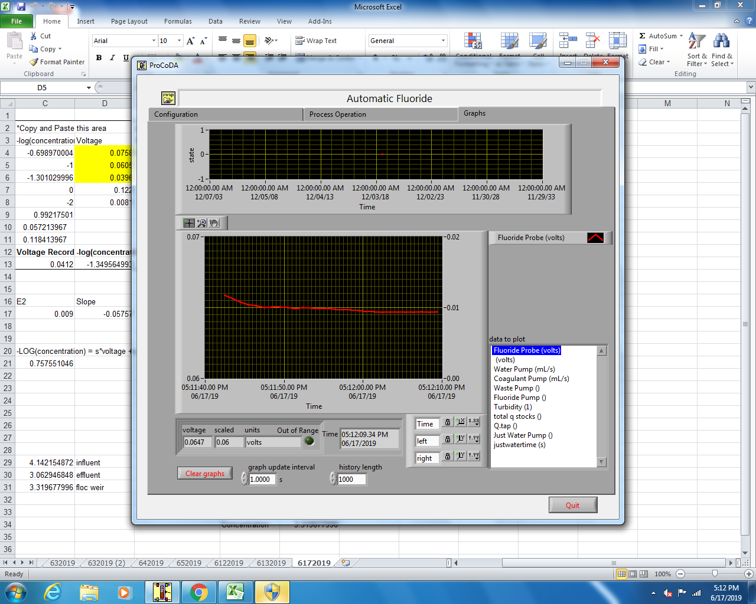
What Testing & Time | Voltage Recorded | -log(concentration) | Concentration F (mg/L) | Output Turbidity | What Column looks like
Stock Fluoride | 0.0412 | -1.4246307119 | 26.58463561

E1 | E2 | Slope
0.06657 | 0.009 | -0.05757

 | -LOG(concentration) = s*voltage +x
 | 0.75244888017

 | 2019-06-14
 | 4.1421548724 | influent
 | 3.0629468485 | effluent
 | 3.3196779961 | floc weir

 |  |  |  | Voltage | 0.0924
 | 6/17/2019 before filtering |  |  | Concentration | 3.2731173164
 | 4.2527535352 | floc weir
 | 4.8674470195 | influent
 | 3.8080214033 | effluent

 | 6/17/19 after filtering
 | 4.2180994919 | floc weir
 | 3.839306426 | effluent

 | Experiment 2 |  |  | After filtering
 | 3.4802627632 | influent | 51 mL
 | 2.8832609365 | effluent | 40 mL | 2.8597663586
 | 2.8248829691 | floc weir | 30.5 mL | 3.2731173164

6182019
 | *Copy and Paste this area |  | In Reactor (mg/L)
Standard (mg/L) | -log(concentrations) | Voltage | PACL Concentration | 5
1 | 0 | 0.112 | Clay Concentration | N/A
5 | -0.69897000434 | 0.0783 | . | 11.3
10 | -1 | 0.0591
20 | -1.3010299957 | 0.0452
100 | -2 | 0.0115
R2 | 0.99833452
Slope | 0.050642839962
Y-intercept | 0.11186283996
What Testing & Time | Voltage Recorded | -log(concentration) | Concentration F (mg/L) | Output Turbidity | What Column looks like
Stock Fluoride | 0.0412 | -1.3953174825 | 24.849490149

E1 | E2 | Slope
0.06657 | 0.009 | -0.05757

 | -LOG(concentration) = s*voltage +x
 | 0.76950727867

Stock w/ tap | 1449.7543243
Stock w/ DI | 1492.0710627 |  |  | Voltage | -0.0542
 |  |  |  | Concentration | 1901.5077218

6182019 (2)
 | *Copy and Paste this area |  | In Reactor (mg/L)
Standard (mg/L) | -log(concentrations) | Voltage | PACL Concentration | 5
1 | 0 | 0.1112 | Clay Concentration | N/A
5 | -0.69897000434 | 0.0782 | . | 11.3
10 | -1 | 0.064
20 | -1.3010299957 | 0.0416
100 | -2 | 0.0112
R2 | 0.99461998
Slope | 0.050896643057
Y-intercept | 0.11213664306
What Testing & Time | Voltage Recorded | -log(concentration) | Concentration F (mg/L) | Output Turbidity | What Column looks like
Stock Fluoride | 0.0412 | -1.3937391308 | 24.759343829

E1 | E2 | Slope
0.06657 | 0.009 | -0.05757

 | -LOG(concentration) = s*voltage +x
 | 0.76900521417

Stock w/ tap | 1449.7543243
Stock w/ DI | 1492.0710627 |  |  | Voltage | 0.0859
 |  |  |  | Concentration | 3.2770923058
F- stock | 1837.3693988
Measured influent | 3.6200413309
Measured influent | 3.5230996906

efffluent after flocculator no clay | 2.2008439775
influent with new valve system | 3.413277276
effluent after flocculator with clay | 2.1810203779

influent from Friday (a few days ago) | 1.2389790363
effluent from Friday (a few days ago) | 2.151619269

effluent from experiment, clay at 24 | 2.0940007276 | coag at 24 rpm | fluoride at 8 rpm | water at 38 rpm
influent from experiment, clay at 24 | 1.7394879206
influent from experiment duplicate | 3.1321388983

Effluent with clay at 32 rpm | 2.037925162 | coag at 24 rpm | fluoride at 8 rpm | water at 38 rpm
influent with clay at 32 rpm | 3.2770923058

6192019
 | *Copy and Paste this area |  | In Reactor (mg/L)
Standard (mg/L) | -log(concentrations) | Voltage | PACL Concentration | 5
1 | 0 | 0.1172 | Clay Concentration | N/A
5 | -0.69897000434 | 0.079 | . | 11.3
10 | -1 | 0.0647
20 | -1.3010299957 | 0.0431
100 | -2 | 0.0124
R2 | 0.99589333
Slope | 0.05300062197
Y-intercept | 0.11628062197
What Testing & Time | Voltage Recorded | -log(concentration) | Concentration F (mg/L) | Output Turbidity | What Column looks like
Stock Fluoride | 0.0412 | -1.4165988847 | 26.097498703

E1 | E2 | Slope
0.06657 | 0.009 | -0.05757

 | -LOG(concentration) = s*voltage +x
 | 0.76156215548

1.8197372451 | Effluent from flocculator, sample 2
3.7756010332 | Effluent from flocculator, sample 1
4.1542730967 | Effluent from flocculator, sample 1 filtered
2.4240162368 | Effluent from flocculator, sample 2, TISAB
 | 49 mL effluent, 49 mL TISAB
1.9849249477 | Effluent from flocculator, sample 1, filtered, TISAB
 | 32 mL effluent, 32 mL TISAB |  |  | Voltage | 0.1175
 |  |  |  | Concentration | 0.94840347669

 | Weir (1) initial | 2.2126531891
 | Weir (2) initial | 2.3616465617 | 47 mL
 | Sed tube (1) initial | 2.5097455163
 | Sed tube (2) initial | 2.6211832868 | 75 mL

 | Weir (1) Filter | 2.3310661168
 | Weir (2) TISAB | 0.82173108694 | 94 mL
 | Sed tube (1) Filter | 2.6098203898
 | Sed tube (2) TISAB | 0.94840347669 | 150 mL

6202019
 | *Copy and Paste this area |  | In Reactor (mg/L)
Standard (mg/L) | -log(concentrations) | Voltage | PACL Concentration | 5
1 | 0 | 0.1164 | Clay Concentration | N/A
5 | -0.69897000434 | 0.0793 | . | 11.3
10 | -1 | 0.0655
20 | -1.3010299957 | 0.0431
100 | -2 | 0.0123
R2 | 0.99561475
Slope | 0.052721105948
Y-intercept | 0.11604110595
What Testing & Time | Voltage Recorded | -log(concentration) | Concentration F (mg/L) | Output Turbidity | What Column looks like
Stock Fluoride | 0.0412 | -1.4195663122 | 26.276427095

E1 | E2 | Slope
0.06657 | 0.009 | -0.05757

 | -LOG(concentration) = s*voltage +x
 | 0.76200091358

 |  |  |  | Voltage | 0.1175
 |  |  |  | Concentration | 0.93827054612

6212019
 | *Copy and Paste this area |  | In Reactor (mg/L)
Standard (mg/L) | -log(concentrations) | Voltage | PACL Concentration | 5
1 | 0 | 0.1159 | Clay Concentration | 1
5 | -0.69897000434 | 0.0798 | . | 11.3
10 | -1 | 0.0649
20 | -1.3010299957 | 0.043
100 | -2 | 0.0128
R2 | 0.99546736
Slope | 0.052345455992
Y-intercept | 0.11562545599
What Testing & Time | Voltage Recorded | -log(concentration) | Concentration F (mg/L) | Output Turbidity | What Column looks like
Stock Fluoride | 0.0412 | -1.4218131179 | 26.412719419

E1 | E2 | Slope
0.06657 | 0.009 | -0.05757

 | -LOG(concentration) = s*voltage +x
 | 0.76275562081

 | 1.7970806948 | influent last test Friday
 | 2.7054121124 | effluent
 | 2.7293183875 | floc weir

 |  |  |  | Voltage | 0.0928
 |  |  |  | Concentration | 2.7293183875

6242019
 |  | *Copy and Paste this area |  | In Reactor (mg/L)
 | Standard (mg/L) | -log(concentrations) | Voltage | PACL Concentration | 5
 | 1 | 0 | 0.1166 | Clay Concentration | 1
 | 5 | -0.69897000434 | 0.0807 | . | 11.3
 | 10 | -1 | 0.0658
 | 20 | -1.3010299957 | 0.0442
 | 100 | -2 | 0.0142
 | R2 | 0.99556164
 | Slope | 0.051983134707
 | Y-intercept | 0.11628313471
 | What Testing & Time | Voltage Recorded | -log(concentration) | Concentration F (mg/L) | Output Turbidity | What Column looks like
 | Stock Fluoride | 0.0412 | -1.4443748945 | 27.821138257

 | E1 | E2 | Slope
 | 0.06657 | 0.009 | -0.05757

 |  | -LOG(concentration) = s*voltage +x
 |  | 0.76162555249

 |  |  |  |  | Voltage | 0.0928
 |  |  |  |  | Concentration | 2.8297317004

F- stock | 1837.3693988
Measured influent | 3.6200413309
Measured influent | 3.5230996906

efffluent after flocculator no clay | 2.2008439775 | run with no coag
influent with new valve system | 3.413277276
effluent after flocculator with clay | 2.1810203779

influent from Friday (a few days ago) | 1.2389790363
effluent from Friday (a few days ago) | 2.151619269

effluent from experiment, clay at 24 | 2.0940007276 | coag at 24 rpm | fluoride at 8 rpm | water at 38 rpm
influent from experiment, clay at 24 | 1.7394879206
influent from experiment duplicate | 3.1321388983

Effluent with clay at 32 rpm | 2.037925162 | coag at 24 rpm | fluoride at 8 rpm | water at 38 rpm
influent with clay at 32 rpm | 3.2770923058

6252019
 | *Copy and Paste this area |  | In Reactor (mg/L)
Standard (mg/L) | -log(concentrations) | Voltage | PACL Concentration | 5
1 | 0 | 0.1168 | Clay Concentration | 1
5 | -0.69897000434 | 0.081 | . | 11.3
10 | -1 | 0.0656
20 | -1.3010299957 | 0.0447
100 | -2 | 0.0142
R2 | 0.99627600
Slope | 0.052047223996
Y-intercept | 0.116507224
What Testing & Time | Voltage Recorded | -log(concentration) | Concentration F (mg/L) | Output Turbidity | What Column looks like
Stock Fluoride | 0.0412 | -1.4469018367 | 27.983487393

E1 | E2 | Slope
0.06657 | 0.009 | -0.05757

 | -LOG(concentration) = s*voltage +x
 | 0.76122839801

 |  |  |  | Voltage | 0.084
 |  |  |  | Concentration | 4.2128084789

 | effluent from sed tube | 2.4340334408
 | influent | 3.4830077223

 | effluent 1.5 mm/s test no clay | 2.4125919618
 | influent 1.5 mm/s test no clay | 3.7884341818

 | effluent 1.5 mm/s with clay | 2.370273976 | 112.5 | 0.2666558223 | 0.3020529869
 | influent 1.5 mm/s with clay | 3.755061743 | 59.5 | 0.22342617371
 | floc weir 1.5 mm/s with clay | 2.3598109729 | 15 | 0.035397164594

 | Original Experiment that was supposed to work at 1 mm/s
 | Effluent | 2.2676980557
 | Influent | 4.2128084789

6262019
 | *Copy and Paste this area |  | In Reactor (mg/L)
Standard (mg/L) | -log(concentrations) | Voltage | PACL Concentration | 5
1 | 0 | 0.117 | Clay Concentration | N/A
5 | -0.69897000434 | 0.0817 | . | 11.3
10 | -1 | 0.0662
20 | -1.3010299957 | 0.0451
100 | -2 | 0.0149
R2 | 0.99590310
Slope | 0.051859399018
Y-intercept | 0.11683939902
What Testing & Time | Voltage Recorded | -log(concentration) | Concentration F (mg/L) | Output Turbidity | What Column looks like
Stock Fluoride | 0.0412 | -1.458547543 | 28.744022422

E1 | E2 | Slope
0.06657 | 0.009 | -0.05757

 | -LOG(concentration) = s*voltage +x
 | 0.76065888734

Influent of Grav | 5.2715760019
effluent of grav | 3.1777177913
 |  | both these tests failed
influent of auto | 3.3965630981
effluent of auto | 2.3184977644
 |  |  |  | Voltage | 0.0862
 |  |  |  | Concentration | 3.8977744144
effluent auto with 6 mg clay | 2.2575477081
floc weir auto w 6 mg clay | 2.2375891906
influent auto w 6 mg clay | 3.6143962049

influent grav PACl at 10 | 4.7598118376
effluent grav PACl at 10 | 3.8977744144

6272019
 |  | *Copy and Paste this area |  | In Reactor (mg/L)
 | Standard (mg/L) | -log(concentrations) | Voltage | PACL Concentration | 5
 | 1 | 0 | 0.115 | Clay Concentration | N/A
 | 5 | -0.69897000434 | 0.0811 | . | 11.3
 | 10 | -1 | 0.0657
 | 20 | -1.3010299957 | 0.0439
 | 100 | -2 | 0.0142
 | R2 | 0.99486905
 | Slope | 0.051346212496
 | Y-intercept | 0.1153262125
 | What Testing & Time | Voltage Recorded | -log(concentration) | Concentration F (mg/L) | Output Turbidity | What Column looks like
 | Stock Fluoride | 0.0412 | -1.4436549239 | 27.775054766

 | E1 | E2 | Slope
 | 0.06657 | 0.009 | -0.05757

 |  | -LOG(concentration) = s*voltage +x
 |  | 0.76334810435

effluent with 10 mg pac and 6 clay | 2.5674311249
influent with 10 mg clay and 6 clay | 3.2416945764

 |  |  |  |  | Voltage | 0.0891
 |  |  |  |  | Concentration | 3.2416945764

6282019
 |  | *Copy and Paste this area |  | In Reactor (mg/L)
 | Standard (mg/L) | -log(concentrations) | Voltage | PACL Concentration | 5
 | 1 | 0 | 0.1161 | Clay Concentration | N/A
 | 5 | -0.69897000434 | 0.0811 | . | 11.3
 | 10 | -1 | 0.0655
 | 20 | -1.3010299957 | 0.0447
 | 100 | -2 | 0.0135
 | R2 | 0.99667401
 | Slope | 0.052061024873
 | Y-intercept | 0.11624102487
 | What Testing & Time | Voltage Recorded | -log(concentration) | Concentration F (mg/L) | Output Turbidity | What Column looks like
 | Stock Fluoride | 0.0412 | -1.4414050637 | 27.631538307

 | E1 | E2 | Slope
 | 0.06657 | 0.009 | -0.05757

 |  | -LOG(concentration) = s*voltage +x
 |  | 0.76169421325

Influent | 3.5493049625
Effluent | 1.323731328
Effluent after filter | 1.4461598561

 |  |  |  |  | Voltage | 0.1079
 |  |  |  |  | Concentration | 1.4461598561

712019
 | *Copy and Paste this area |  | In Reactor (mg/L)
Standard (mg/L) | -log(concentrations) | Voltage | PACL Concentration | 5
1 | 0 | 0.1182 | Clay Concentration | N/A
5 | -0.69897000434 | 0.0829 | . | 11.3
10 | -1 | 0.0663
20 | -1.3010299957 | 0.0456
100 | -2 | 0.0159
R2 | 0.99535492
Slope | 0.052047696203
Y-intercept | 0.1178276962
What Testing & Time | Voltage Recorded | -log(concentration) | Concentration F (mg/L) | Output Turbidity | What Column looks like
Stock Fluoride | 0.0412 | -1.4722591352 | 29.666009758

E1 | E2 | Slope
0.06657 | 0.009 | -0.05757

 | -LOG(concentration) = s*voltage +x
 | 0.75891736708

 | influent grav system | 4.6888996249
 | effluent grav system | 3.379820638

 | influent grav sys success | 4.4464678897
 | effluent grav sys success | 2.2597168421
 | floc weir grav success

 |  |  |  | Voltage | 0.0994
 |  |  |  | Concentration | 2.2597168421

722019
 | *Copy and Paste this area |  | In Reactor (mg/L)
Standard (mg/L) | -log(concentrations) | Voltage | PACL Concentration | 5
1 | 0 | 0.1183 | Clay Concentration | N/A
5 | -0.69897000434 | 0.083 | . | 11.3
10 | -1 | 0.0666
20 | -1.3010299957 | 0.0463
100 | -2 | 0.0166
R2 | 0.99571863
Slope | 0.051689817808
Y-intercept | 0.11784981781
What Testing & Time | Voltage Recorded | -log(concentration) | Concentration F (mg/L) | Output Turbidity | What Column looks like
Stock Fluoride | 0.0412 | -1.482880402 | 30.400477278

E1 | E2 | Slope
0.06657 | 0.009 | -0.05757

 | -LOG(concentration) = s*voltage +x
 | 0.75890247487

effluent auto success 74 min (unfiltered) | 2.367799169
effluent 136 min (unfiltered) | 2.3363667278
effluent 136 min (filtered) | 2.3363667278
floc weir | 2.2646374967
floc weir filtered | 2.3363667278
influent | 3.0932988742 |  |  | Voltage | 0.0925
 |  |  |  | Concentration | 3.0932988742

782019
 |  | *Copy and Paste this area |  | In Reactor (mg/L)
 | Standard (mg/L) | -log(concentrations) | Voltage | PACL Concentration | 5
 | 1 | 0 | 0.1195 | Clay Concentration | N/A
 | 5 | -0.69897000434 | 0.0852 | . | 11.3
 | 10 | -1 | 0.0667
 | 20 | -1.3010299957 | 0.0473
 | 100 | -2 | 0.0181
 | R2 | 0.99454736
 | Slope | 0.051717891769
 | Y-intercept | 0.11907789177
 | What Testing & Time | Voltage Recorded | -log(concentration) | Concentration F (mg/L) | Output Turbidity | What Column looks like
 | Stock Fluoride | 0.0412 | -1.5058210825 | 32.04948701

 | E1 | E2 | Slope
 | 0.06657 | 0.009 | -0.05757

 |  | -LOG(concentration) = s*voltage +x
 |  | 0.75675766472

Influent Grav | 5.2576654714
Effluent grav | 2.3802252297 |  |  |  | Voltage | 0.0989
Effluent grav filtered | 2.4555739758 |  |  |  | Concentration | 2.4555739758
Floc weir | 2.6135027276
Floc weir filtered | 2.7692319042

792019
 | *Copy and Paste this area |  | In Reactor (mg/L)
Standard (mg/L) | -log(concentrations) | Voltage | PACL Concentration | 5
1 | 0 | 0.1187 | Clay Concentration | N/A
5 | -0.69897000434 | 0.0843 | . | 11.3
10 | -1 | 0.0662
20 | -1.3010299957 | 0.0474
100 | -2 | 0.0177
R2 | 0.99560894
Slope | 0.051396500908
Y-intercept | 0.11825650091
What Testing & Time | Voltage Recorded | -log(concentration) | Concentration F (mg/L) | Output Turbidity | What Column looks like
Stock Fluoride | 0.0412 | -1.4992557771 | 31.568633058

E1 | E2 | Slope
0.06657 | 0.009 | -0.05757

 | -LOG(concentration) = s*voltage +x
 | 0.75821161323

 |  |  |  | Voltage | 0.0916
 |  |  |  | Concentration | 3.3009904977

7102019
 | *Copy and Paste this area
Standard (mg/L) | -log(concentrations) | Voltage
1 | 0 | 0.1175
5 | -0.69897000434 | 0.0834
10 | -1 | 0.0652
20 | -1.3010299957 | 0.0471
100 | -2 | 0.0173
R2 | 0.99597141
Slope | 0.050946931469
Y-intercept | 0.11704693147
What Testing & Time | Voltage Recorded | -log(concentration) | Concentration F (mg/L) | Output Turbidity | What Column looks like
Stock Fluoride | 0.0412 | -1.4887438612 | 30.813700792

E1 | E2 | Slope
0.06657 | 0.009 | -0.05757

 | -LOG(concentration) = s*voltage +x
 | 0.76035618875

 |  |  |  | Voltage | 0.1115
 |  |  |  | Concentration | 1.2849216738

